Sep19_invoice
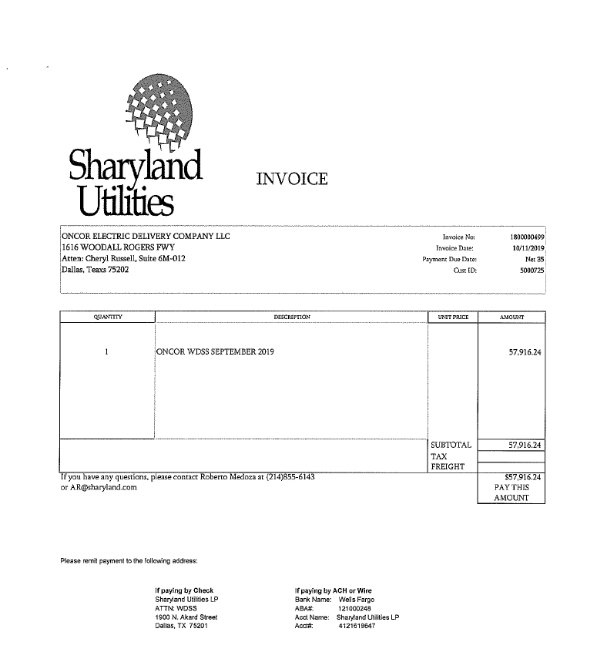

$57,916.24

